11F Neo Seat Plan
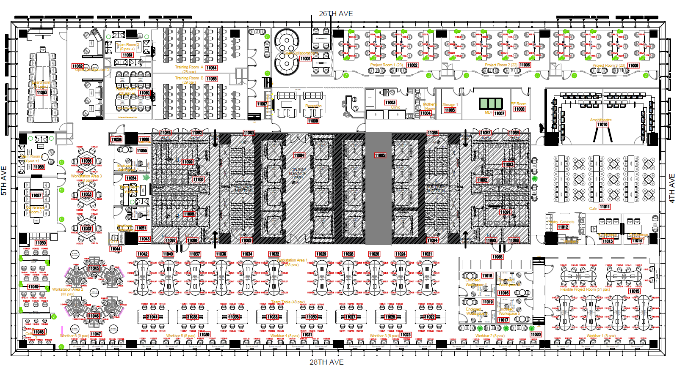
26th Street

 |  |  |  |  |  |  |  |  |  |  |  |  |  |  |  |  |  |  |  |  |  |  |  |  |  |  |  |  |  |  |  |  |  |  |  |  |  |  |  |  |  |  |  |  |  |  |  |  | AES |  |  |  |  |  |  |  |  |  |  |  | HRMS
Boardroom (21) 11063 |  |  |  | Open Collaboration 2 11061 |  |  |  | Team Room 2 (9+) 11062 |  | Training Room A (28) 11064 |  |  |  |  |  |  |  |  |  |  |  |  |  |  | Open Collaboration 1 11001 |  |  |  |  |  |  |  |  | Project Room 1 (22) |  |  |  |  |  |  |  |  |  |  |  |  |  |  |  | Project Room 2 (22) |  |  |  |  |  |  |  |  |  |  |  | Project Room 3 (23)
 |  |  |  |  |  |  |  |  |  |  |  |  |  |  |  |  |  |  |  |  |  |  |  |  |  |  |  |  |  |  |  |  |  |  |  | 3 |  |  | 6 | 9 |  |  | 12 | 15 |  |  | 18 |  |  |  |  | 3 |  | 6 | 9 |  | 12 | 15 | 18 |  |  |  | 1 | 4 |  | 7 | 10 |  | 13 | 16 |  | 19
 |  |  |  |  |  |  |  |  |  |  |  |  |  |  |  |  |  |  |  |  |  |  |  |  |  |  |  |  |  |  |  |  |  |  | 1 | 4 |  |  | 7 | 10 |  |  | 13 | 16 |  |  | 19 | 21 |  |  | 1 | 4 |  | 7 | 10 |  | 13 | 16 | 19 | 21 |  |  | 2 | 5 |  | 8 | 11 |  | 14 | 17 |  | 20 | 22
 |  |  |  |  |  |  |  |  |  |  |  |  |  |  |  |  |  |  |  |  |  |  |  |  |  |  |  |  |  |  |  |  |  |  | 2 | 5 |  |  | 8 | 11 |  |  | 14 | 17 |  |  | 20 | 22 |  |  | 2 | 5 |  | 8 | 11 |  | 14 | 17 | 20 | 22 |  |  | 3 | 6 |  | 9 | 12 |  | 15 | 18 |  | 21 | 23
 |  |  |  |  |  |  |  | Team Room 3 (20+) 11060 |  | Training Room B (30) 11065 |  |  |  |  |  |  |  |  |  |  |  |  |  |  |  |  |  |  |  |  |  |  |  |  |  |  |  |  |  | 11002 |  |  |  |  |  |  |  |  |  |  |  |  |  |  | 11006 |  |  |  |  |  |  |  |  |  |  |  | 11009

 |  |  |  |  |  |  |  |  |  |  |  |  |  |  |  |  |  |  |  |  |  |  |  |  | Reception 11000 |  |  |  |  |  |  |  |  |  |  | Clinic (4) 11003 |  |  |  |  |  |  |  |  | Mothers Room (3) 11004 |  |  | IT Storage 11005 |  |  |  |  | MDF Room 11007 |  |  |  |  | EE Room 11008 |  |  |  | Amphitheater 11010

5th Avenue
 |  |  |  |  | 11056
 |  |  |  | 1 |  | 2 |  |  | Enclosed WS 1 (Nilesh) 11055 | Phonebooth 1 | Comfort Room Female |  |  |  |  |  |  | Fire Exit |  |  | Elevator Shaft |  |  |  |  |  |  | Elevator Shaft |  |  |  |  | Elevator shaft |  |  |  | Facilities Storage |  |  |  | Elevator shaft |  |  |  | Fire Exit |  |  |  | Pipe Chase
 |  |  |  | 6 |  | 3 |  |  |  |  |  |  |  |  |  |  |  |  |  |  |  |  |  |  |  |  |  |  |  |  |  |  |  |  |  |  |  |  |  |  |  |  |  |  |  |  |  |  |  |  |  |  | Female Comfort Room |  |  |  |  |  |  |  |  | Multiu Function Hall 11011
Team Rm 4 (8+) 11058 |  |  |  | 5 |  | 4
4th Avenue
 |  |  |  | Woskstation 3 (18)
 |  |  |  | 1 |  | 2 |  |  | Team Room 1 (8+) 11054
 |  |  |  | 6 |  | 3 |  |  |  |  |  |  |  |  |  |  |  |  |  |  |  |  |  |  |  |  |  |  |  |  |  |  |  |  |  |  |  |  |  |  |  |  |  |  |  |  |  |  |  |  |  |  | Male Comfort Room
 |  |  |  | 5 |  | 4 |  |  |  | Phonebooth 2 | Comfort Room Male
Conference Room 3 (11) 11057 |  |  |  |  | 11053 |  |  |  |  |  |  |  |  |  |  |  |  |  |  |  |  |  |  |  |  |  |  |  |  |  |  |  |  |  |  |  |  |  |  |  |  |  |  |  |  |  |  |  |  |  |  |  |  |  |  |  |  |  |  |  |  | Pantry |  |  | Conference Room 1 (7) 11013 |  |  |  |  | Conference Room 2 (4) 11013
 |  |  |  | 1 |  | 2 |  |  | Enclosed WS 2 (DMB) 11051
 |  |  |  | 6 |  | 3 |  |  |  |  |  |  |  |  |  |  |  |  |  |  |  |  |  |  |  |  |  |  |  |  |  |  |  |  |  |  |  |  |  |  |  |  |  |  |  |  |  |  |  |  |  |  | Service Elevator |  |  |  | EE Room
 |  |  |  | 5 |  | 4
 |  |  |  |  | 11052

 |  |  |  |  |  | 11045 |  |  |  |  |  |  |  |  |  |  |  |  |  |  |  |  |  |  |  |  |  |  |  |  |  |  |  |  |  |  |  |  |  |  |  |  |  |  |  |  |  |  |  |  |  |  |  |  | Phonebooth 11068
1 | 2 | 3 |  | 7 |  | 8 |  | 9 |  | 1 | 5 |  | 1 | 5 |  | 1 | 5 |  | 1 | 5 |  |  |  | 1 | 5 |  | 1 | 5 |  |  | 1 | 5 |  |  | 1 | 5 |  |  | 1 | 5 |  |  | 1 | 5 |  |  | 1 | 5 |  |  |  |  |  |  |  |  |  |  |  |  |  |  |  |  |  |  |  |  |  |  |  |  |  |  | CDTR
6 | 5 | 4 |  | 6 |  | 5 |  | 4 |  | 2 | 6 |  | 2 | 6 |  | 2 | 6 |  | 2 | 6 | Workstation 1 (88) |  |  | 2 | 6 |  | 2 | 6 |  |  | 2 | 6 |  |  | 2 | 6 |  |  | 2 | 6 |  |  | 2 | 6 |  |  | 2 | 6 |  |  |  |  | Enclosed Workspace 4 (Sheila) |  |  |  | Enclosed Workspace 6 |  |  |  |  |  | 1 | 2 | 3 | 4 |  |  | 9 | 10 | 11 | 12 |  | 17
11049 |  |  |  | 1 |  | 2 |  | 3 |  | 3 | 7 |  | 3 | 7 |  | 3 | 7 |  | 3 | 7 |  |  |  | 3 | 7 |  | 3 | 7 |  |  | 3 | 7 |  |  | 3 | 7 |  |  | 3 | 7 |  |  | 3 | 7 |  |  | 3 | 7 |  |  |  |  |  |  |  |  |  |  |  |  |  |  | 5 | 6 | 7 | 8 | 11015 |  | 13 | 14 | 15 | 16 |  | 18
7 | 8 | 9 |  | Workstation 2 (33) |  |  |  |  |  | 4 | 8 |  | 4 | 8 |  | 4 | 8 |  | 4 | 8 |  |  |  | 4 | 8 |  | 4 | 8 |  |  | 4 | 8 |  |  | 4 | 8 |  |  | 4 | 8 |  |  | 4 | 8 |  |  | 4 | 8
12 | 11 | 10 |  |  |  | 11046 |  |  |  | 11042 |  |  | 11040 |  |  | 11037 |  |  | 11036 |  |  |  |  | 11034 |  |  | 11033 |  |  |  | 11029 |  |  |  | 11028 |  |  |  | 11026 |  |  |  | 11024 |  |  |  | 11021 |  |  |  |  |  | Enclosed Workspace 3 |  |  |  | Enclosed Workspace 5 |  |  |  |  |  | Flexible Project Room (50)
11049 |  |  |  | 7 |  | 8 |  | 9 |  |  |  |  |  |  |  |  |  |  |  | Team Table (64) |  |  |  |  |  |  |  |  |  |  |  |  |  |  |  |  |  |  |  |  |  |  |  |  |  |  |  |  |  |  |  |  |  |  |  |  |  |  |  |  |  |  | 19 | 23 |  | 27 | 31 |  | 35 | 39 |  | 43 | 47
15 | 14 | 13 |  | 6 |  | 5 |  | 4 |  | 1 | 2 | 3 | 4 |  | 1 | 2 | 3 | 4 |  | 1 | 2 | 3 | 4 |  | 1 | 2 | 3 | 4 |  | 1 | 2 | 3 | 4 |  | 1 | 2 | 3 | 4 |  | 1 | 2 | 3 | 4 |  | 1 | 2 | 3 | 4 |  |  |  |  |  |  |  |  |  |  |  |  |  |  | 20 | 24 |  | 28 | 32 |  | 36 | 40 |  | 44 | 48
Collab Area 11048 (can be used by other practices) |  |  |  | 1 |  | 2 |  | 3 |  | 8 | 7 | 6 | 5 |  | 8 | 7 | 6 | 5 |  | 8 | 7 | 6 | 5 |  | 8 | 7 | 6 | 5 |  | 8 | 7 | 6 | 5 |  | 8 | 7 | 6 | 5 |  | 8 | 7 | 6 | 5 |  | 8 | 7 | 6 | 5 |  |  |  |  |  |  |  |  |  |  |  |  |  |  | 21 | 25 |  | 29 | 33 |  | 37 | 41 |  | 45 | 49
 |  |  |  |  |  |  |  |  |  | 11041 |  |  |  |  | 11038 |  |  |  |  | 11035 |  |  |  |  | 11033 |  |  |  |  | 11030 |  |  |  |  | 11027 |  |  |  |  | 11025 |  |  |  |  | 11022 |  |  |  |  |  |  |  |  |  |  |  |  |  |  |  |  |  | 22 | 26 |  | 30 | 34 |  | 38 | 42 |  | 46 | 50
 |  |  |  | Workbar 6 (6) |  |  |  |  |  |  |  |  | Workbar 5 (8) |  |  |  |  |  |  |  |  |  |  | Workbar 4 (8) |  |  |  |  |  |  |  |  |  |  |  |  |  | Workbar 3 (8) |  |  |  |  |  |  |  |  |  |  |  |  |  |  |  | Workbar 2 (8)
 |  |  |  | 1 | 2 | 3 | 4 | 5 | 6 |  |  |  | 1 | 2 | 3 | 4 | 5 | 6 | 7 | 8 |  |  |  | 1 | 2 | 3 | 4 | 5 | 6 | 7 | 8 |  |  |  |  |  |  | 1 | 2 | 3 | 4 | 5 | 6 | 7 | 8 |  |  |  |  |  | 1 | 2 | 3 | 4 | 5 | 6 | 7 | 8 |  |  |  |  |  | 51 | 52 | 53 | 54 | 55 | 56 | 57 | 58
 |  |  |  | 11047 |  |  |  |  |  |  |  |  | 11039 |  |  |  |  |  |  |  |  |  |  | 11031 |  |  |  |  |  |  |  |  |  |  |  |  |  | 11023 |  |  |  |  |  |  |  |  |  |  |  |  | 11021 |  |  |  |  |  |  |  |  |  |  |  |  | Workbar 1 (8)
28 Street

LEGEND:
Oracle
Guidewire/BSCO
SAP and CEDA AU
CEDA US
Salesforce
MS
CDTR - Cyber MS
R&R /ERCS
Risk and Quality
Shared Services |  |  | can be used by other practices if no shared services will be at BGC

